HandlerPurchaseOrderTriggering
Box UrL: | https://ibm.ent.box.com/s/isgxtyzeozu11adpeg7yoqiag43kd4wa/file/772920913479
Status: | Partially do able
Remarks:
SNOW_Ansible_module
https://docs.ansible.com/ansible/latest/collections/servicenow/servicenow/snow_record_find_module.html

- name: Search for incident assigned to group, return specific fields
servicenow.servicenow.snow_record_find:
username: ansible_test
password: my_password
instance: dev99999
table: incident
query:
assignment_group: d625dccec0a8016700a222a0f7900d06
return_fields:
- number
- opened_at

Creates, deletes and updates a single record in ServiceNow
https://docs.ansible.com/ansible/latest/collections/servicenow/servicenow/snow_record_module.html

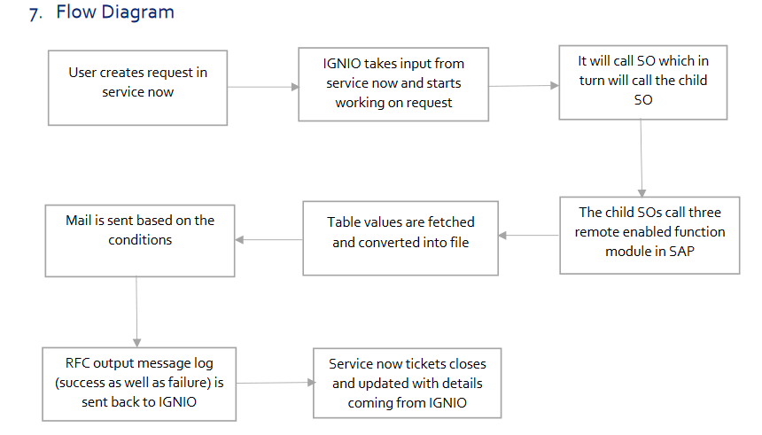
 |  | Workflow
 |  | i) Ticket will be created in snow with group assigned with AnsibleTower
 |  | ii) Ansible will query in Snow to get the incident# and details | Needs to explore if service now can trigger ansible playbook using tower API
 |  | iii) More explanation requires for "How to call child SO"
 |  | iii) Fetche the table values from SAP and convert into file using ansible playbook
 |  | iv) Mail will be triggered from Ansible based on the condition of failure or success.
 |  | v) Incase of success ansible playbook will close the ticket in service now with the updated details
 |  | vi) Incase of failure ansible will send mail to System admin and assign ticket to first assignment group

OracleMaxRunAlarm
Usecase Url: https://ibm.ent.box.com/s/isgxtyzeozu11adpeg7yoqiag43kd4wa/file/772919332606
Status: | Do able
Remarks
Work instructions to automate exit code 9 tickets(jobs in max run alarm –hung process
Job Ticket
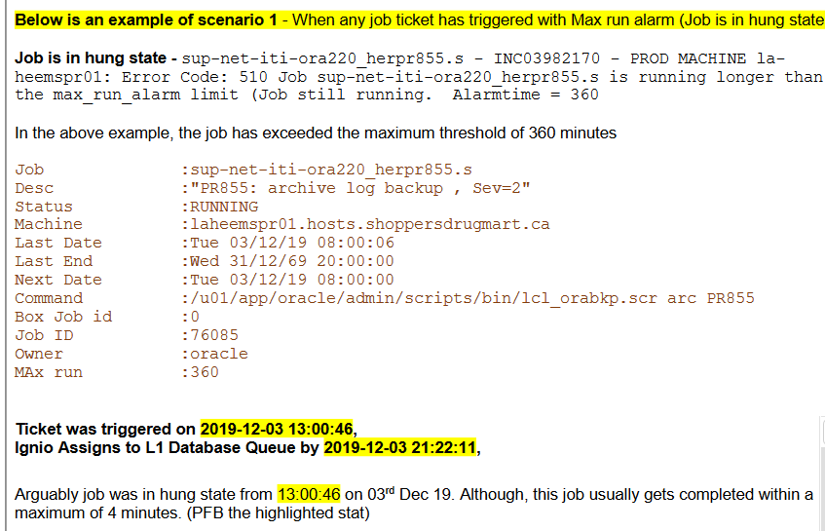

Step 1:
Query that shows the RMAN sessions running now is listed below
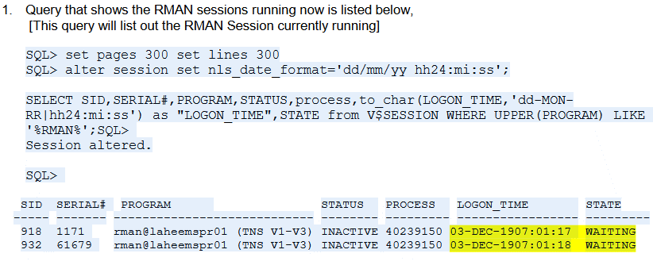

Check the Logon_Time, which should be match with current time. If not matching than consider that as an Obsolete time and related Job is in hang status.

Step 2:
Check if RMAN session started using the following query. If no row return than consider that RMAN session not started.

Step 3:
After concluding the job is in hung state, kill the RMAN sessions from OS and SQL Level which in-turn will put down the inflow of exit code 9 tickets.
Execute following query to prepare alter query to kill SID which is hang from long time.

Input:
SELECT 'ALTER SYSTEM KILL SESSION '''||sid||','||serial#||''' immediate ;' from gv$session WHERE UPPER(PROGRAM) LIKE '%RMAN%' order by LOGON_TIME;
Output:
alter system kill session ‘918,1171' immediate;

Step 4: | Execute queries generated as output of step 3

Step 5: | Kill Rman session from OS
Execute following query using shell
ps -ef | grep rman

Step 6: | From the above out collect the SID, which is older and kill it using following command.
 | laheemspr01:/u/oracle $kill -9 32768034

Step 7: | Execute following command and take the SID of RMAN
 | ps -ef | grep rman

Step 8: | Clarification requires for this
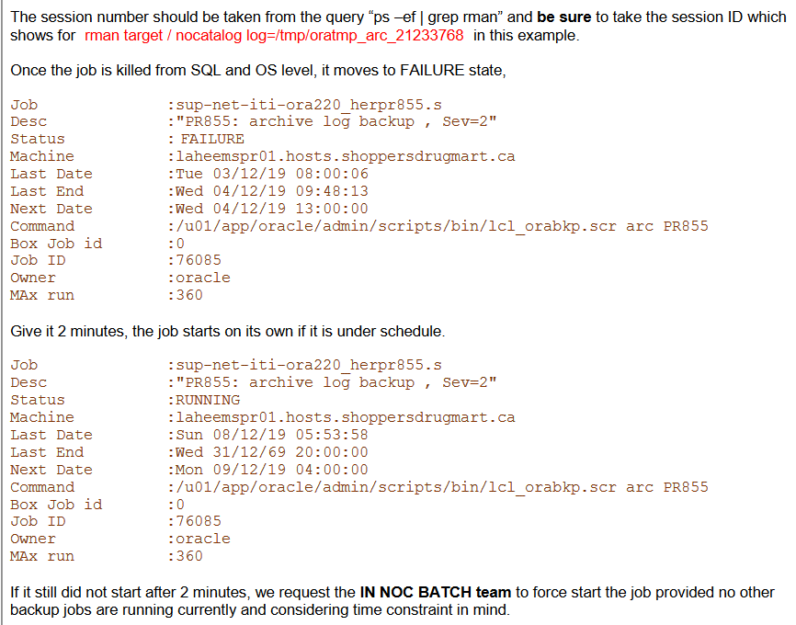

Execution of Oracle command can be achieve using Oracle roles or through shell module.
Sample code:
---
- hosts: localhost |  | ---
- tasks: |  | - hosts: localhost
- name: Execute table.sql using sqlplus |  | - tasks:
shell: $ORACLE_HOME/bin/sqlplus -s username/password@connect @table.sql |  | - name: Get Object_details
environment: |  | shell: echo exit |sqlplus "{{ oracle_username }}/ {{ oracle_pwd}} @(DESCRIPTION=(ADDRESS=(PROTOCOL=TCP)(Host={{ oracle_hostname }} )(Port={{ oracle_port }}))(CONNECT_DATA=(SERVICE_NAME= {{ service_name }})))"@sqlfile.sql;
ORACLE_HOME: "{{oracle_home_path}}" |  | environment:
LD_LIBRARY_PATH: "{{ld_library_path}}" |  | ORACLE_HOME: <<Oracle Home path >>
PATH: "{{bin_path}}" |  | PATH: << bin path >>
args: |  | LD_LIBRARY_PATH: << lib path >>
chdir: "{{sql_path}}"
become: true
become_method: su
become_user: oracle

Reference link: https://www.henryxieblogs.com/2018/03/to-run-any-sql-scripts-from-sqlplus-on.html

trImport SO
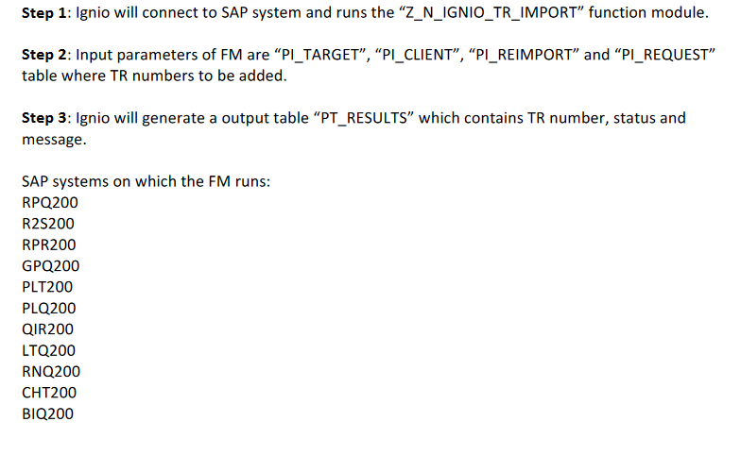
URL: | https://ibm.ent.box.com/s/isgxtyzeozu11adpeg7yoqiag43kd4wa/file/772922058180
Status: | Open
Remarks | Needs to identify how to extract data from SAP

SAP Transport Migration Request
URL: | https://ibm.ent.box.com/s/isgxtyzeozu11adpeg7yoqiag43kd4wa/file/772918461935
Status: | Open
Remarks | Step 3 requirement not clear

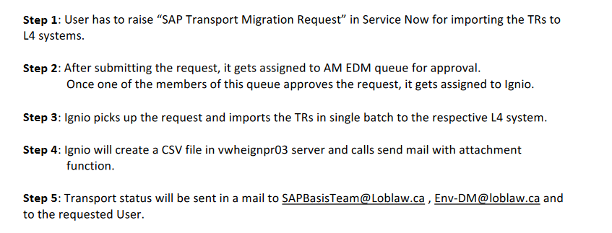
 |  | Transport Service request

 |  | Is it requires to convert approval process as automated

 |  | Need more details about from where system can imports TRs

 |  | Need more details about creation of CSV

ITCAM Agent Down
URL: | https://ibm.ent.box.com/s/isgxtyzeozu11adpeg7yoqiag43kd4wa/file/772917982937
Status: | Do able
Remarks

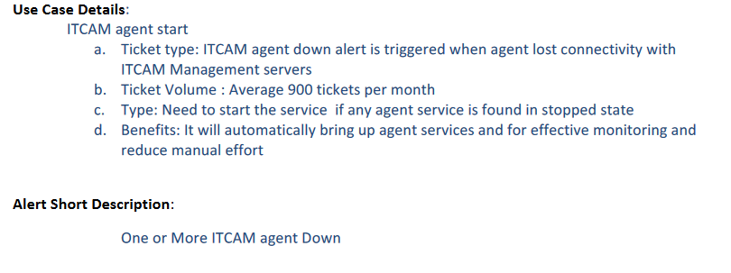
 |  | Details required about ticket data

Step 1:

AD access request
Box URL | https://ibm.ent.box.com/s/isgxtyzeozu11adpeg7yoqiag43kd4wa/file/772917672188
Status | Do able
Remarks

Reference lnk
https://docs.ansible.com/ansible/latest/collections/community/windows/win_domain_user_module.html

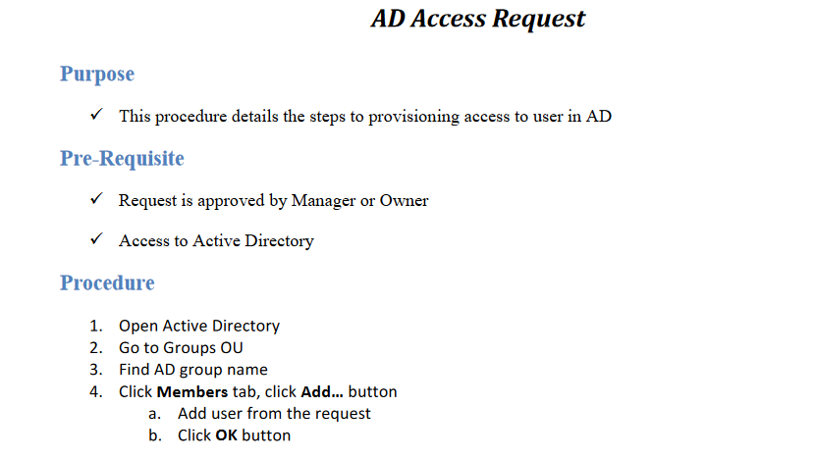
 |  | WASADMIN | App server manage |  | Robert | DB
 |  | DBAdmin | Manage DB
 |  | XYZApps | Login to apps

 |  | i) How many AD will be present in the Prod |  | 1
 |  | ii) If it is single, than Groupname and UserId should be provided as input
 |  | iii) Else AD server details along with groupname and UserId requires

